Fiscal Summary
FY 2016 Fiscal Summary
NOTE: Amounts in this table represent funds disbursed during the fiscal year only. In contrast, the remaining tables in this workbook represent liabilities incurred during the 'award cycle', a window of time that overlaps multiple fiscal years. Totals in this table will differ from those in the remaining tables.
 | FY 2014 |  | FY 2015 |  | FY 2016
 | Expenditures | % of total | Expenditures | % of total | Expenditures | % of total
21st Century Scholars | $109,674,050 | 36.87% | $128,506,995 | 41.91% | $153,605,648 | 49.34%
Higher Education Award | $100,693,161 | 33.85% | $91,434,081 | 29.82% | $76,331,138 | 24.52%
Freedom of Choice | $48,918,974 | 16.44% | $52,251,300 | 17.04% | $48,153,594 | 15.47%
CVO* | $24,724,778 | 8.31% | $25,689,533 | 8.38% | $26,577,672 | 8.54%
National Guard | $3,581,139 | 1.20% | $3,033,082 | 0.99% | $3,181,816 | 1.02%
Mitch Daniels Early Graduation | $1,060,000 | 0.36% | $1,146,000 | 0.37% | $1,023,856 | 0.33%
Primary Care | $500,000 | 0.17% | $850,000 | 0.28% | $1,000,000 | 0.32%
High Needs Stipend | $446,800 | 0.15% | $438,228 | 0.14% | $437,315 | 0.14%
Minority Teacher Scholarship | $421,400 | 0.14% | $352,073 | 0.11% | $356,082 | 0.11%
EARN Indiana | $121,713 | 0.04% | $495,180 | 0.16% | $353,507 | 0.11%
Adult Student Grant | $7,307,165 | 2.46% | $2,401,012 | 0.78% | $265,870 | 0.09%
Minority Teacher Stipend | $49,600 | 0.02% | $48,500 | 0.02% | $47,449 | 0.02%
Total Programs | $297,498,780 |  | $306,645,984 |  | $311,333,947
FY 2016 Program Expenditures

* Children of Veterans and Public Safety Officers; provides tutition and fee assistance to the the children of deceased or diabled veterans, Purple Heart recipients or wounded veterans, the child or spouse of Indiana National Guard or public safety officers killed in the line of duty, Indiana Purple Heart recipients. CVO also includes book payments to students who are former students of Morton Memorial High School or who are former residents of the Indiana Soldiers' and Sailors' Children's Home.
Source: Peoplesoft (State Accounting System)

Award Summary
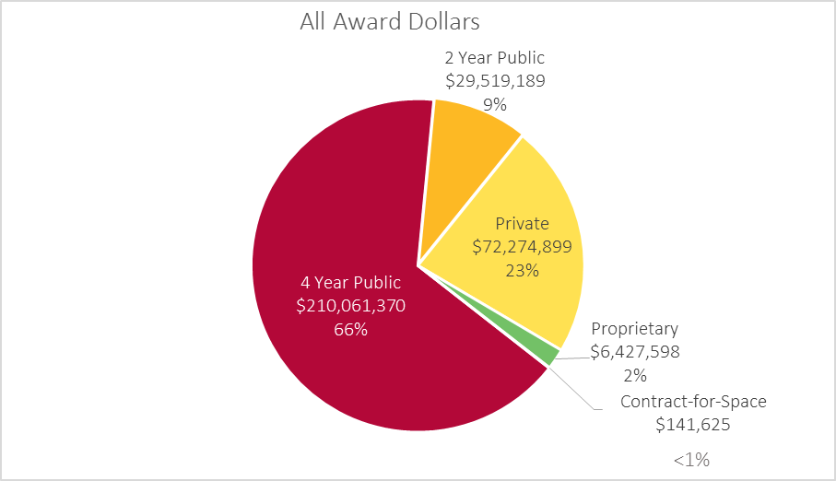
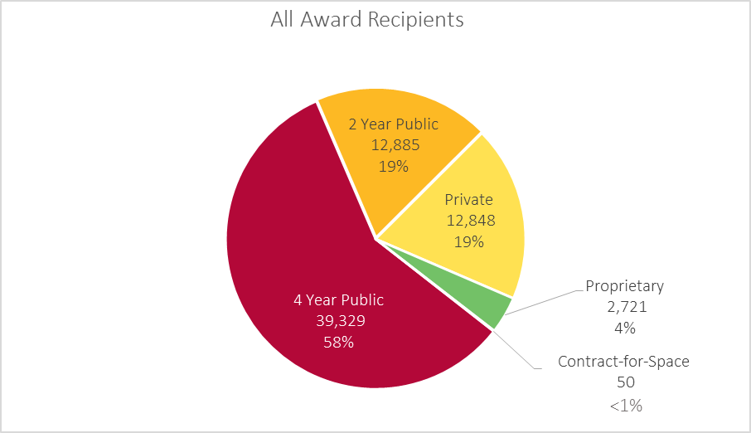
Award Cycle 2015-16
GRANTS |  |  |  |  |  |  |  |  | OTHER AWARDS
Institution Type |  | All Awards | Frank O'Bannon Total | HEA(O'Bannon) | FOC(O'Bannon) | 21st | National Guard | Adult Student Grant | CVO | Minority Teacher Scholarship | Mitch Daniels Early Graduation Scholarship
4 Year Public | Awards | $210,061,370 | $59,188,947 | $59,188,947 |  | $122,574,852 | $3,113,249 | $249,427 | $24,050,863 | $288,032 | $596,000
 | Students | 39,329 | 19,968 | 19,968 |  | 15,094 | 557 | 329 | 3,842 | 112 | 149
 | Mean | $5,341 | $2,964 | $2,964 |  | $8,121 | $5,589 | $758 | $6,260 | $2,572 | $4,000
2 Year Public | Awards | $29,519,189 | $18,050,870 | $18,050,870 |  | $8,010,165 | $65,348 | $524,513 | $2,576,293 |  | $292,000
 | Students | 12,885 | 8,201 | 8,201 |  | 2,600 | 37 | 762 | 1,363 |  | 73
 | Mean | $2,291 | $2,201 | $2,201 |  | $3,081 | $1,766 | $688 | $1,890 |  | $4,000
Private | Awards | $72,274,899 | $51,495,514 |  | $51,495,514 | $20,533,445 |  | $46,065 |  | $62,910 | $140,000
 | Students | 12,848 | 9,950 |  | 9,950 | 2,809 |  | 74 |  | 28 | 35
 | Mean | $5,625 | $5,175 |  | $5,175 | $7,310 |  | $623 |  | $2,247 | $4,000
Proprietary | Awards | $6,427,598 | $5,394,702 | $5,394,702 |  | $1,015,351 |  | $9,545 |  |  | $8,000
 | Students | 2,721 | 2,397 | 2,397 |  | 313 |  | 14 |  |  | 2
 | Mean | $2,362 | $2,251 | $2,251 |  | $3,244 |  | $682 |  |  | $4,000
Contract-for-Space | Awards | $141,625 | $141,625 | $141,625
 | Students | 50 | 50 | 50
 | Mean | $2,833 | $2,833 | $2,833
Total* | Awards | $318,424,682 | $134,271,658 | $82,776,144 | $51,495,514 | $152,133,813 | $3,178,597 | $829,550 | $26,627,157 | $350,942 | $1,036,000
 | Students | 67,165 | 40,299 | 30,435 | 9,950 | 20,530 | 591 | 1,171 | 5,115 | 140 | 259
 | Mean | $4,741 | $3,332 | $2,720 | $5,175 | $7,410 | $5,378 | $708 | $5,206 | $2,507 | $4,000
*Student counts in the total row are unduplicated and will therefore not equal the sum of student counts by institution type.
Source: CHE Grants Reporting and Delivery System (GRADS)

Teaching Stipends
High Needs
Minority Teacher

138 Recipients
$437,315
156 Applicants
35 Recipients
$47,449
51 Applicants

