Population Served - Race #1
 | Population Served Analysis - By Race
Favored Group | Category |  | Analysis Summary
White | Population Demographic |  | Region
White | Population Served |  | Counties
White | Not Enrolled |  | Data Source

Unfavored Group |  |  | Purpose of Report | Compare population demographic of a favored group and unfavored group to the population served by favored and unfavored group by race to determine if there is any indication of discrimination.
Non White Race #1 | Population Demographic
Non White Race #1 | Population Served
Non White Race #1 | Not Enrolled
 |  |  | Summary of Report
 | Calculate 1 Standard Error
 | P = Overall Rate getting Enrolled | #DIV/0!
 | 1 - P | #DIV/0!
 | nF = Number of Favored Group | 0
 | 1 / nF | #DIV/0!
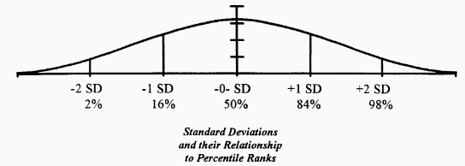
 | nNF = Number of Non Favored Group | 0
 | 1 / nNF | #DIV/0!
 | 1 Standard Error a technical term that I always used to call the standard deviation | #DIV/0!

 | Calculate Difference in Rates of Getting to Point B
 | Rate for Favored | #DIV/0!
 | Rate for Unfavored | #DIV/0!
 | difference | #DIV/0!

 | Calculate Number of Standard Deviations | #DIV/0!

 | Notes about Standard Deviations
 | 1. The standard deviation analysis looks at the probability that the difference in rates is due to chance.
 | 2. Technically, this is a two independent sample binomial test
 | 3. Differences greater than 2.0 standard deviations is generally what suggests possible discrimination
 | 4. The 2.0 standard deviation represents a less than 5.0% chance that the difference in rates is due to chance.
 | 5. Another way to think about it is that if the SD is greater than 2.0, there is something that is controlling the process because there is less than 5% chance that the difference was caused by chance.

