Budget Mod Instructions
 |  |  | Your agency's total TANF budget amount
 |  | Your agency's name listed here

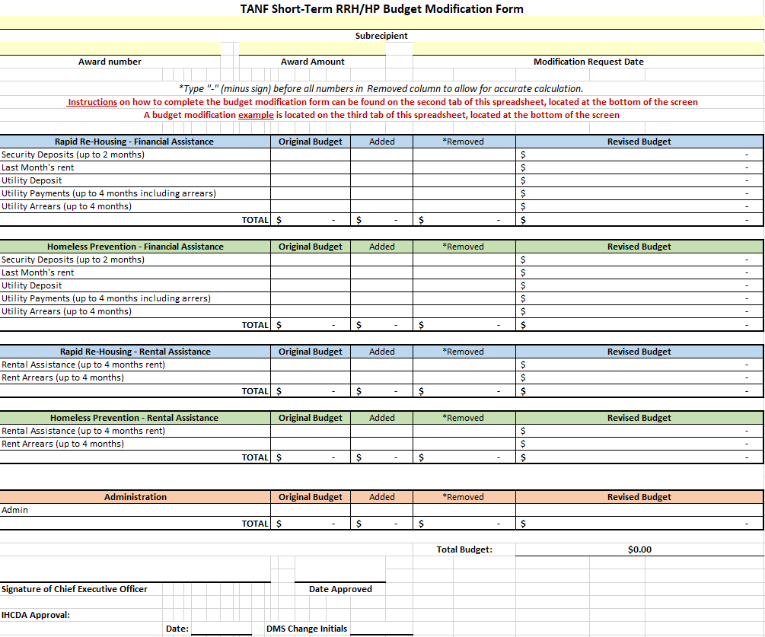
 | Your TANF Award # located on your contract between your agency and IHCDA |  |  | The date you are submitting your budget modification request to IHCDA

Modification Instructions:

Step 1: Fill out the "Original Budget" Column in every section.These numbers are the $ amounts from your orginial, approved budget at the beginning of the program year.

 |  |  |  | Once you input your $ amounts in the "Original Budget", "Added", and "Removed" colums, your new, revised budget will auto-populate in the "Revised Budget" column.

Step 2: Put the $ amount you want added to a specific line item in the corresponding program component section and eligible cost line item. Do this under the "Added" column.

Step 3: Because you are adding money to a new line item in the previous step, you must subtract money from another line item. To document this, put the subtracted $ amount in the line item in which you are taking this money from. Do this under the "*Removed" Column. NOTE: You must include a subtraction symbol "-" before your dollar amount to indicate that it is being removed.

Step 4: Double check that your added and removed $ amounts are correct. If correct, send this document via email to the TANF Analyst

 |  |  |  | Your new, revised budget total should still equal your Original Award Amount located at the top of the form.

